poka yoke verification
EMDET JAMSHEDPUR PVT LTD.
POKA YOKE VERIFICATION
Verification Responsibility : Production Supervisor |  |  |  |  |  |  | Month :
Sl No | Part Description |  | Applied Poka Yoke | Photograph | Location | Method of Verification
 | Part Name | Part No. |  |  |  |  | 1 | 2 | 3 | 4 | 5 | 6 | 7 | 8 | 9 | 10 | 11 | 12 | 13 | 14 | 15 | 16 | 17 | 18 | 19 | 20 | 21 | 22 | 23 | 24 | 25 | 26 | 27 | 28 | 29 | 30 | 31
1 | Every Injection moulding parts | Every Injection moulding parts | Safety Curtain: whenever there is a human interference in boundry of sensor arround the mould,the machine operation will be stopped . The machine will re start after pressing ON button | 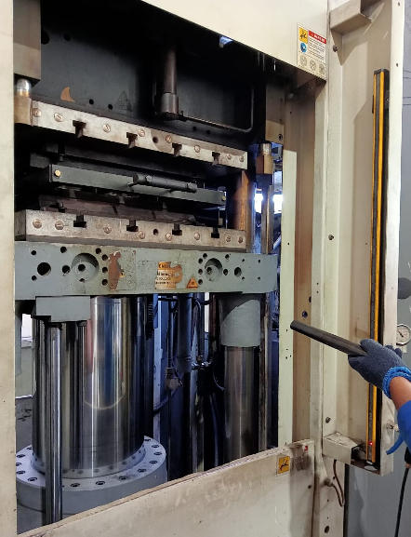 | IM-01 (Moulding) | Sensor Stick

2 | Every Injection moulding parts | Every Injection moulding parts | Safety Curtain: whenever there is a human interference in boundry of sensor arround the mould,the machine operation will be stopped . The machine will re start after pressing ON button |  | IM-02 (Moulding) | Sensor Stick

3 | Every Injection moulding parts | Every Injection moulding parts | Safety Curtain: whenever there is a human interference in boundry of sensor arround the mould,the machine operation will be stopped . The machine will re start after pressing ON button |  | IM-03 (Moulding) | Sensor Stick

4 | Every Injection moulding parts | Every Injection moulding parts | Safety Curtain: whenever there is a human interference in boundry of sensor arround the mould,the machine operation will be stopped . The machine will re start after pressing ON button |  | IM-04 (Moulding) | Sensor Stick

Format No. : Doc No: EMDET/F/QA/079/A
 |  | Legend : ü - OK O - NG l - Repaired

